General
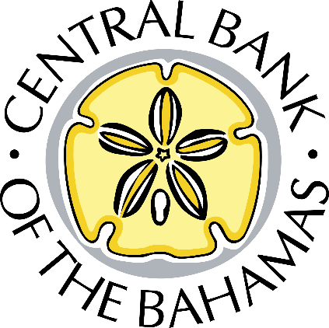

Private and Confidential
The Central Bank of The Bahamas - Financial Returns for Co-Operative Credit Unions

 | Credit Union:

 | Credit Union Code:

 | Reporting Date: | (mmm/yy)

We certify that the figures in these forms present a true and fair view of the cooperative's position as at the above reporting date. We undertake that if there are further material facts affecting the cooperative's affairs which, in our judgment, should be disclosed, we will promptly advise the Central Bank of The Bahamas.

 | General Manager - Name: |  | Chief Accounting Officer - Name:

 | General Manager - Signature: |  | Chief Accounting Officer - Signature:

Notes on Completion:
1. Complete the form monthly as at the last day of each month unless otherwise agreed, if
the asset base us greater than $1.0 million; otherwise, complete the form quarterly as at
the last day of each quarter, if the asset base is less than or equal to $1.0 million.
2. Where an (*) appears, please give details.
3. Amount(s) must be entered to the nearest thousand, omitting decimals.
4. Submit the form within twenty (20) days of the reporting date via ORIMS Portal in
accordance with section 87 (2) of the Bahamas Co-operative Credit Union Act,
2015.
Submission Instructions:
Please refer to the submission instructions. If you have any technical difficulties completing the schedule, please forward all queries to: orimshelp@centralbankbahamas.com.
PLEASE PRINT THIS PAGE ONLY, SIGN AND RETURN VIA E-MAIL to: bsdqreturn@centralbankbahamas.com.
Resubmission Instructions:
Should a resubmission of the financial returns be required, a request for resubmission via the ORIMS Portal is required. Once the request has been granted, the financial return must be uploaded into the ORIMS Portal.
Also, this page must be printed, signed and returned via e-mail to: bsdqreturn@centralbankbahamas.com.

