General
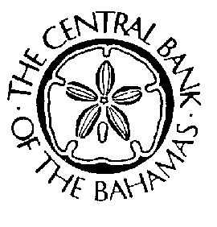

Private and Confidential
The Central Bank of The Bahamas - Financial Returns for Registered Representatives

 | Registered Representative:

 | Registered Rep Number: | #N/A

 | Reporting Date: |  | (mmm/yy)

We certify that the figures in these forms present a true and fair view of the registered representative's position as at the above reporting date. We undertake that if there are further material facts affecting the registered representative's affairs which, in our judgment, should be disclosed, we will promptly advise the Central Bank of The Bahamas.

 | General Manager - Name: |  |  | Chief Accounting Officer - Name:

 | General Manager - Signature: |  |  | Chief Accounting Officer - Signature:

Notes on Completion:
1. Complete the form monthly and quarterly as at the last day of each month/
quarter unless otherwise agreed.
2. Where an (*) appears, please give details.
3. Amount(s) must be entered to the nearest thousand dollar , omitting
decimals.
4. Submit the form within twenty-one (21) days of the reporting date via the ORIMS Poral.
Submission Instructions:
Please refer to the submission instructions. If you have any technical difficulties completing the schedule, please forward all queries to:
orimshelp@centralbankbahamas.com
PLEASE PRINT THIS PAGE ONLY, SIGN AND SUBMIT VIA THE ORIMS PORTAL.
Resubmission Instructions:
Should a resubmission of the financial returns be required, a request for resubmission via the ORIMS Portal is required. Once the request has been granted, the finanical return must be uploaded into the ORIMS Portal.
Also, this page must be printed, signed and returned via the ORIMS Portal.

